Results
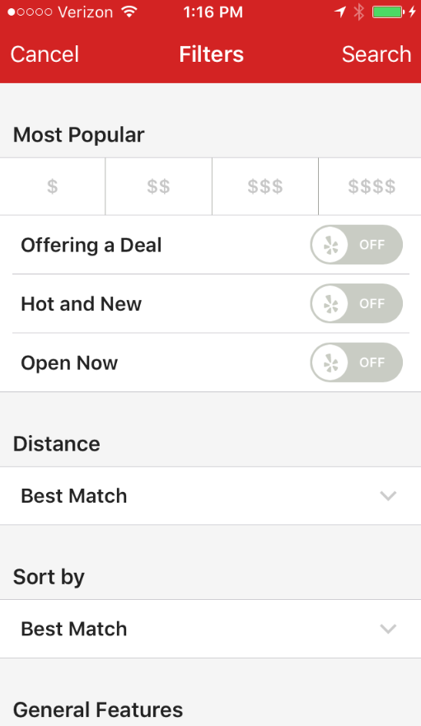
Home Screen
12:47 PM
Verizon
12:47 PM
Verizon
Your Special
Family
Full Bar
Fine Dining
Food or Alcohol:
Both
Search
 |  | Separate the filters between restaurant and cuisine using a tabbed layout

Restaurant Filter
Sort by: Distance
Fast Food
Family
Full Bar
Fine Dining
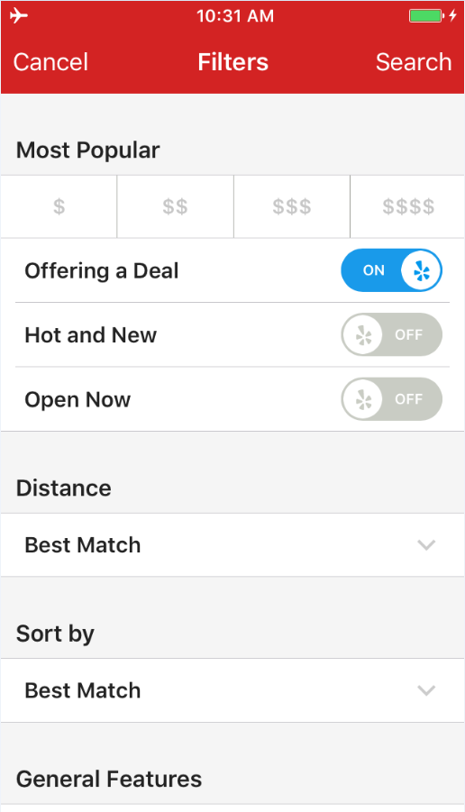
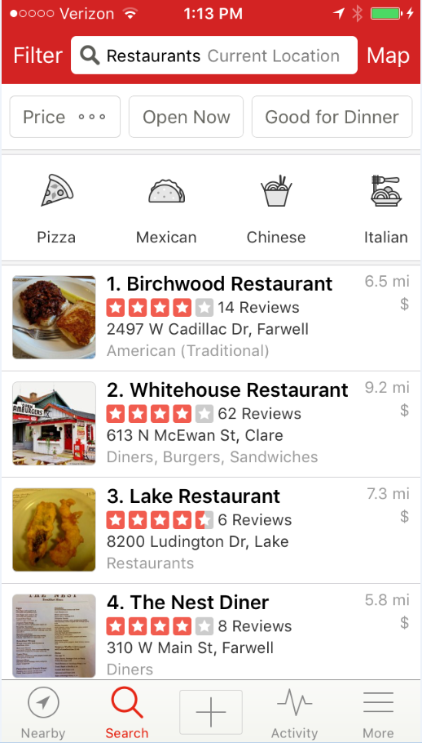
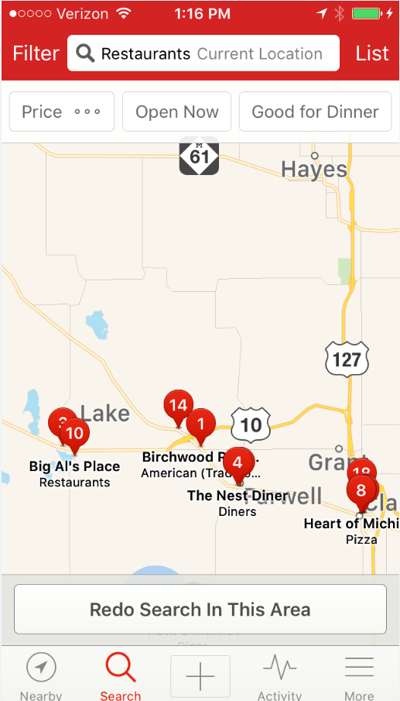
 | This should be check boxes

When: Now
Search Area: Current
Time:
Now
Cuisine:
All
Time
Now
 |  | Should we split between restaurant and special cuisine filters
Food
Drink
Entertainment
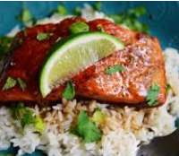
1.
$14.95
Paul's Chop House
Orange Glazed Pork Chops...
0.8 mi
Sort by:
Distance
Wifi:
Yes
Food or Drink
Both

Alcohol:
n/a
Outdoors:
n/a
Food or Drink
Both
Cuisine
All
 |  | Is Alcohol redundant?

Current Map Area
Search Area:
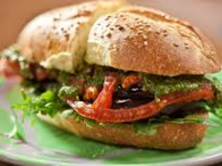
2.
$8.95
Lenny's Hip Hop House
Deluxe Burger on Brioch...
1.2 mi
Alcohol
With & Without

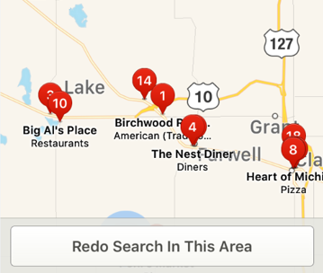
Outdoor Seating
With & Without
 |  | Leave the map area off the front page and only on the map area search
 |  |  | On the tabbed layot page have the address / # of miles to search (then have a "map" option)
Location
Current
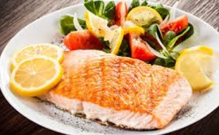
3.
$12.95
Hadley's Restaurant
Fresh Cod and Garden Vege...
2.6 mi
 |  | For return users, have a standard list

Distance
Map
 |  | App "bar" with app name always at top -

Sort By
Distance
 |  |  | Web app

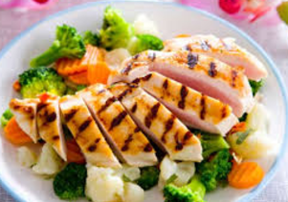
4.
$7.95
Friar Tuck's
Grilled Chicken and Vegetable...
3.5 mi
 |  |  | HTML / CSS
WiFi
With & Without

Sort by:

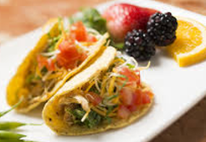
5.
$5.95
Los Gringos
Beef Street Tacos...
4.2 mi

Specific restaurant or keyword

Home
Home Screen

12:47 PM
Verizon
12:47 PM
Verizon
Family
Full Bar
Fine Dining
Restaurant Filter
Specials Filter
Food or Alcohol:
Both
Search
 |  | Separate the filters between restaurant and cuisine using a tabbed layout

Location: Current
within 5 miles
When: 5:00 PM
Tues, April 17
Fast Food
Family
Full Bar
Fine Dining
 | This should be check boxes

Time:
Now
Cuisine:
All
Price: $$
Food or Alcohol?
Both
Time
Now
 |  | Should we split between restaurant and special cuisine filters

Sort by:
Distance
Wifi:
Yes
Cuisine: All
Food or Drink
Both

Alcohol:
n/a
Outdoors:
n/a
Food or Drink
Both
Wifi: n/a
Cuisine: All
Cuisine
All
 |  | Is Alcohol redundant?

Current Map Area
Outdoor?: n/a
Sort by: Distance
Search Area:
Alcohol
With & Without

Key Word Search:
Enter keyword
Key Word Search:
Enter keyword
Outdoor Seating
With & Without
 |  | Leave the map area off the front page and only on the map area search
 |  |  | On the tabbed layot page have the address / # of miles to search (then have a "map" option)
Location
Current
 |  | For return users, have a standard list

Type:
Fast Food
Family
Full Bar
Fine Dining
Distance
Map
 |  | App "bar" with app name always at top -

Sort By
Distance
 |  |  | Web app

 |  |  | HTML / CSS
WiFi
With & Without

Sort by:

SEARCH

Specific restaurant or keyword

Food or Drink
Food or Drink:
Both
Search
Search kicks off the overall search for Specials

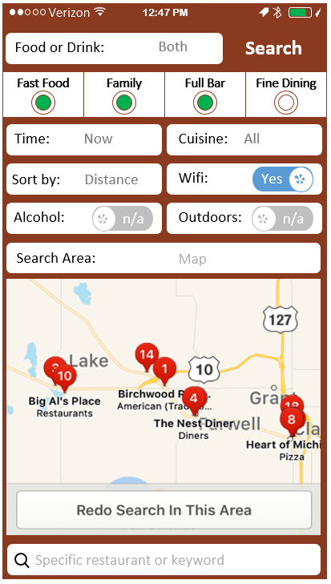

Food & Drink Specials

Food Specials Only

Drink Specials Only

>

Time
Time

Select Time

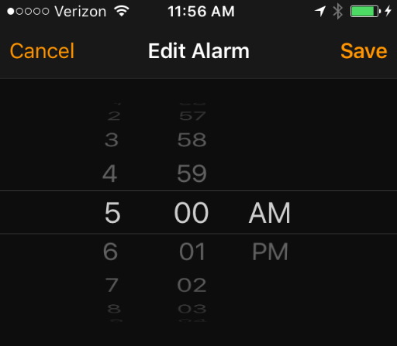

 | Date

Cuisine
American

Chinese

Thai

Pizza

Mexican

Vegetarian

Check boxes
Return to home page ("Done" button and "Cancel" button at top)
Vietnamese

Sushi

 | Ethnic:
 | Mexican
 | Chinese
 | American
 | Thai
 | French
 | Greek
 | Vietnamese
 | South Korea
 | Lebanese
 | Cajun
 | Caribbean
 | Vegetarian
 | Belgian
 | German
 | Mediterranean
 | Moroccan
 | Portuguese
 | Soul
 | Tex-Mex
 | Seafood
 | Turkish
 | Southern American
 | Mongolian
 | Welsh
 | Taiwanese
 | Brazilian
 | Irish
 | Cuban
 | Polish
 | Peruvian
 | Ethiopian
 | Jamaican
 | Malaysian
 | South African
 | Junk
 | Middle Eastern
 | Midwestern
 | Argentinian
 | Singaporean
 | Saudi Arabia
 | Senegalese
 | Macau
 | Balkan
 | Israeli
 | Northern Irish
 | Dutch
 | Papua New Guinean
 | Burmese
 | Somali
 | Seoul
 | South Sudan
 | Vatican City
 | Jordanian
 | Suriname
 | French Guiana
 | Breton

Symbols
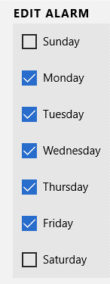
Symbols
 | Standard Layout
12:47 PM
Verizon
Top Upper

Text Box
Top Lower

Examples
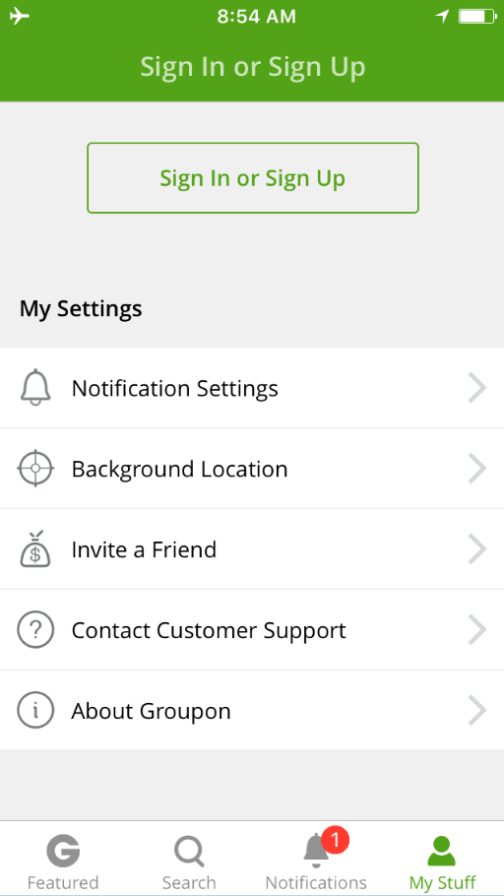
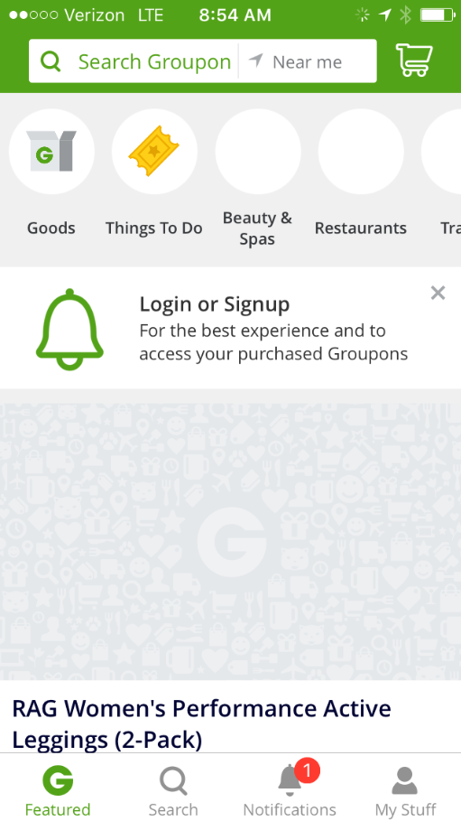
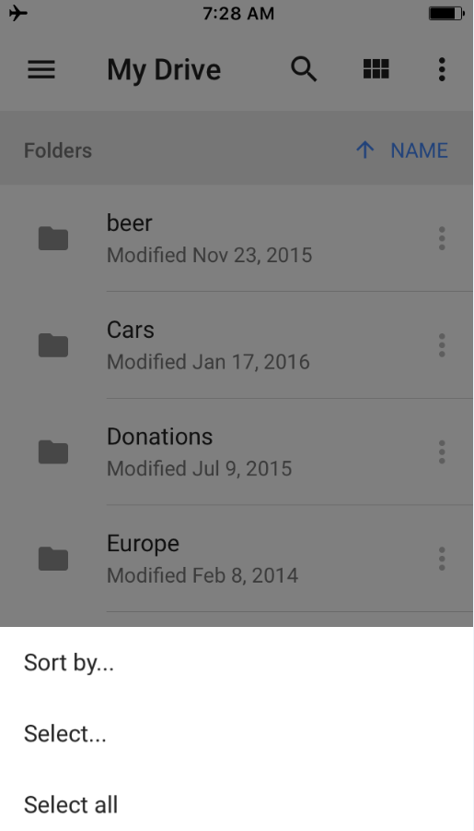
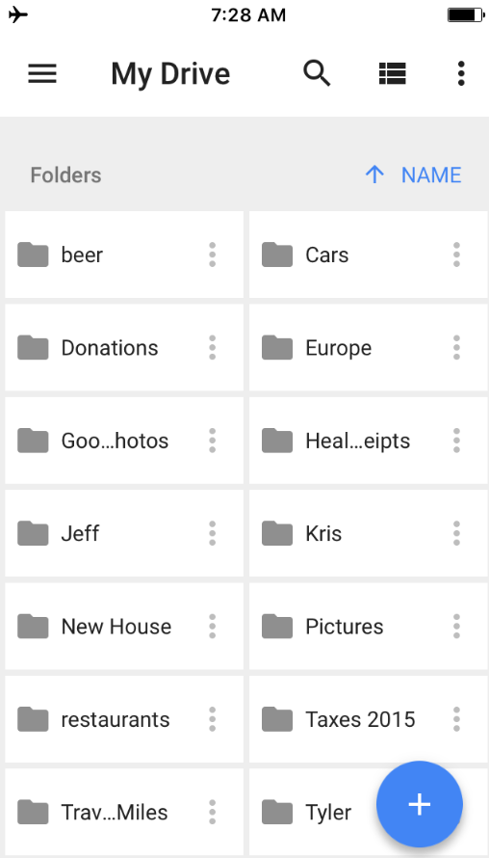
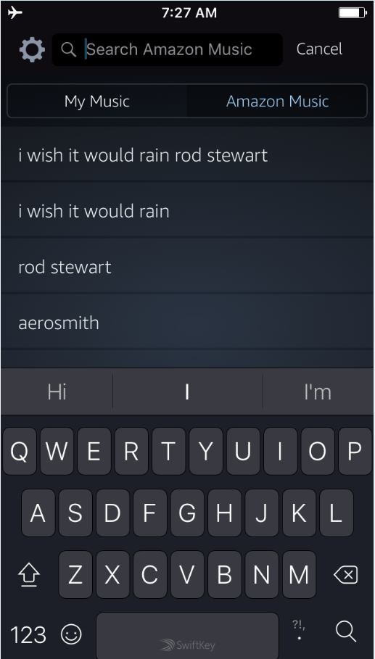
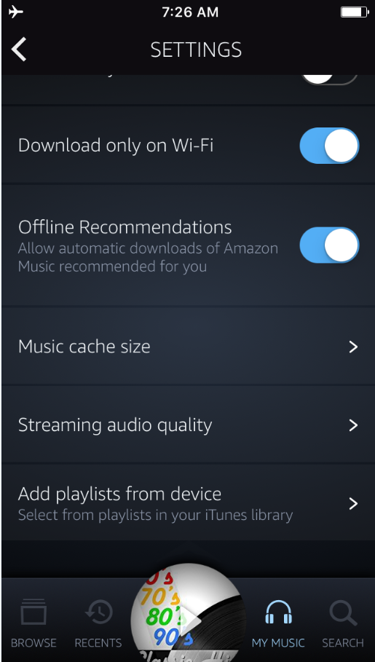
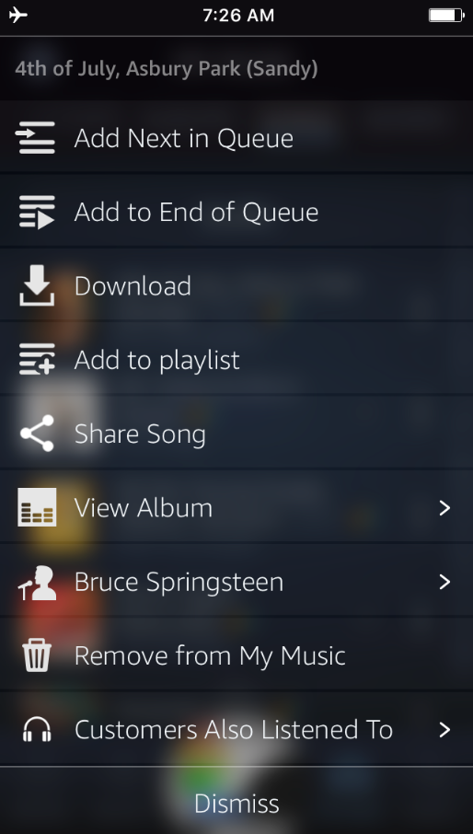
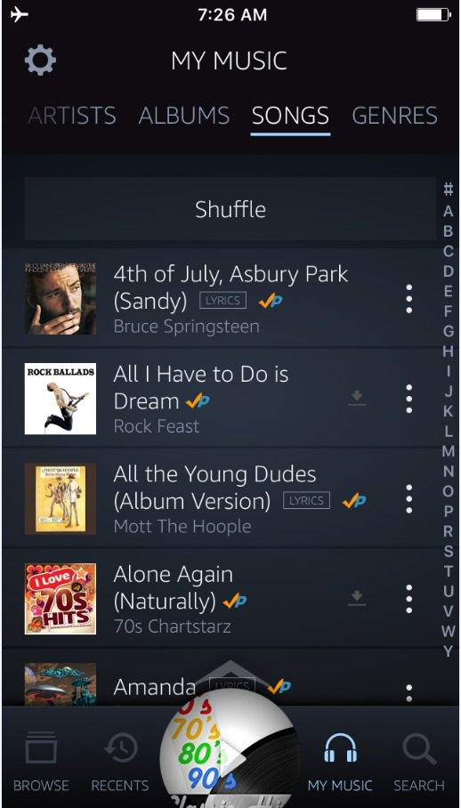
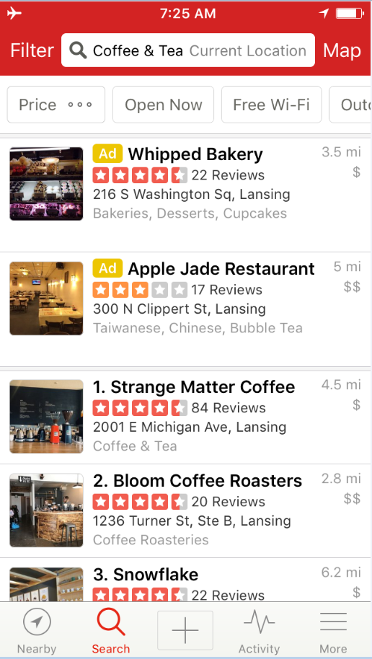
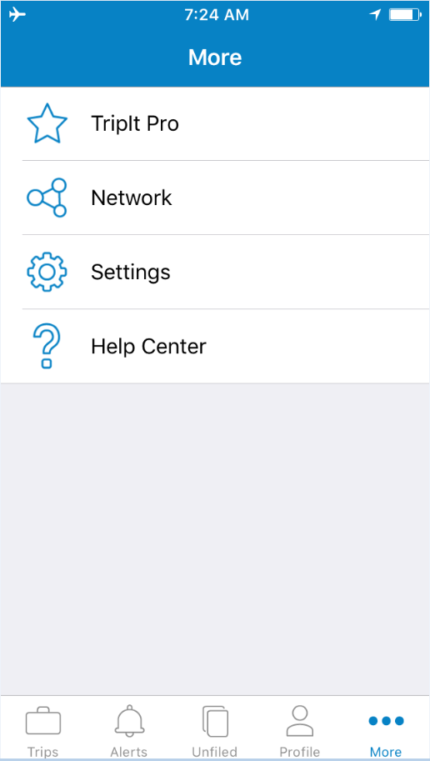
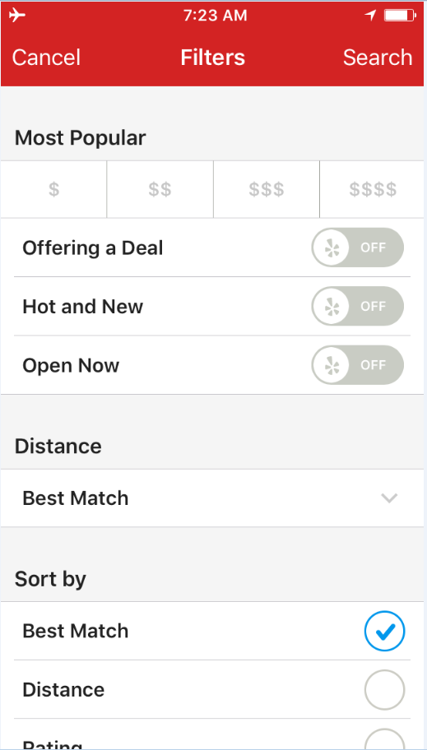
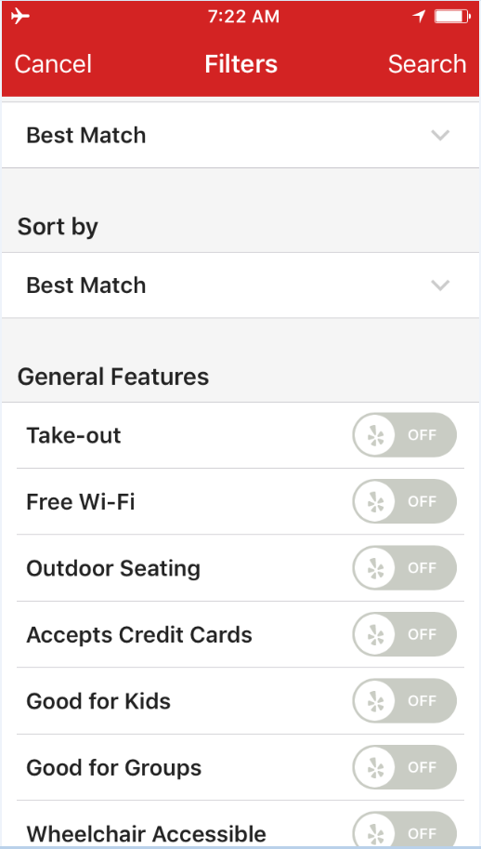
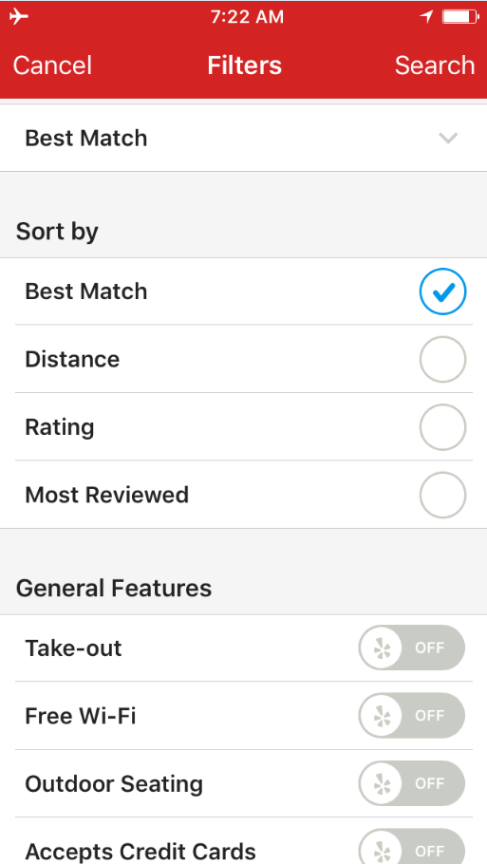
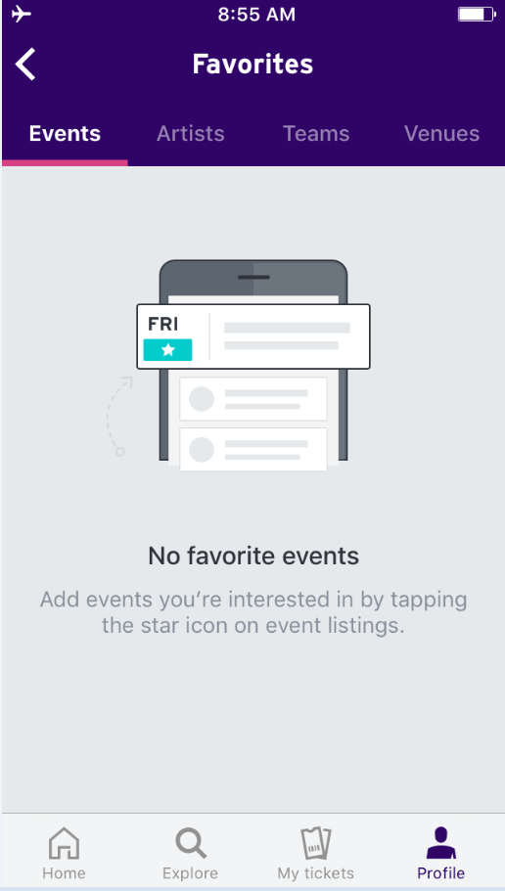
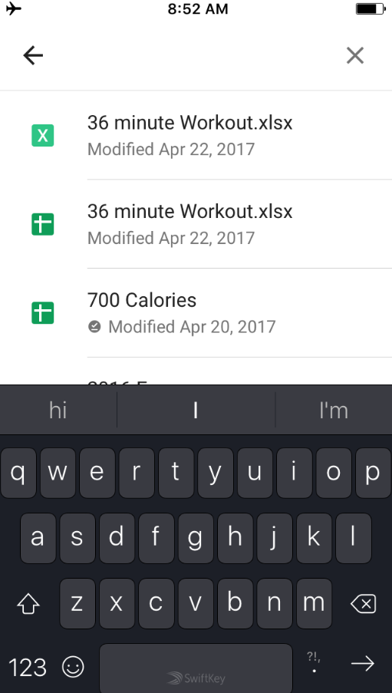
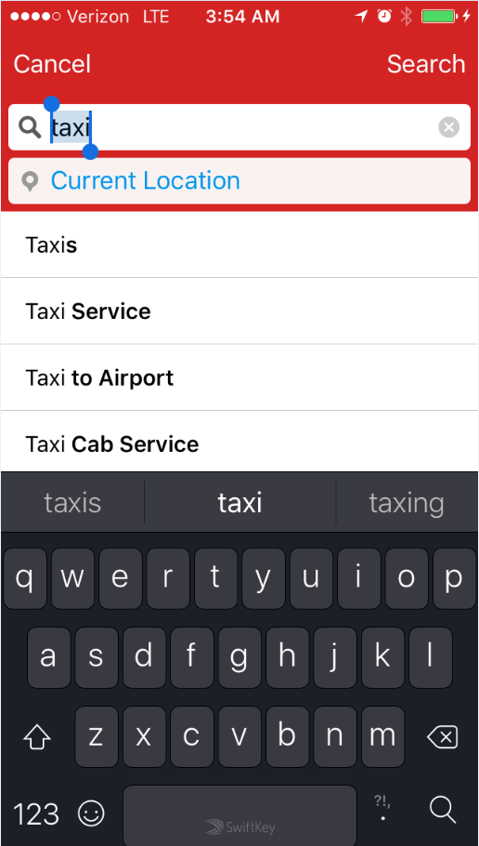
Search

